Test Report
Default Test Run Report

Project Name |  |  | Project 1
User Name |  |  | melab
Test Name |  |  | MTS EM Compression (Simplified) 4
Test Run Name |  |  | Test Run 1
Test Run Date |  |  | 3/25/2021 10:48:53 PM

Test Run Review Graph
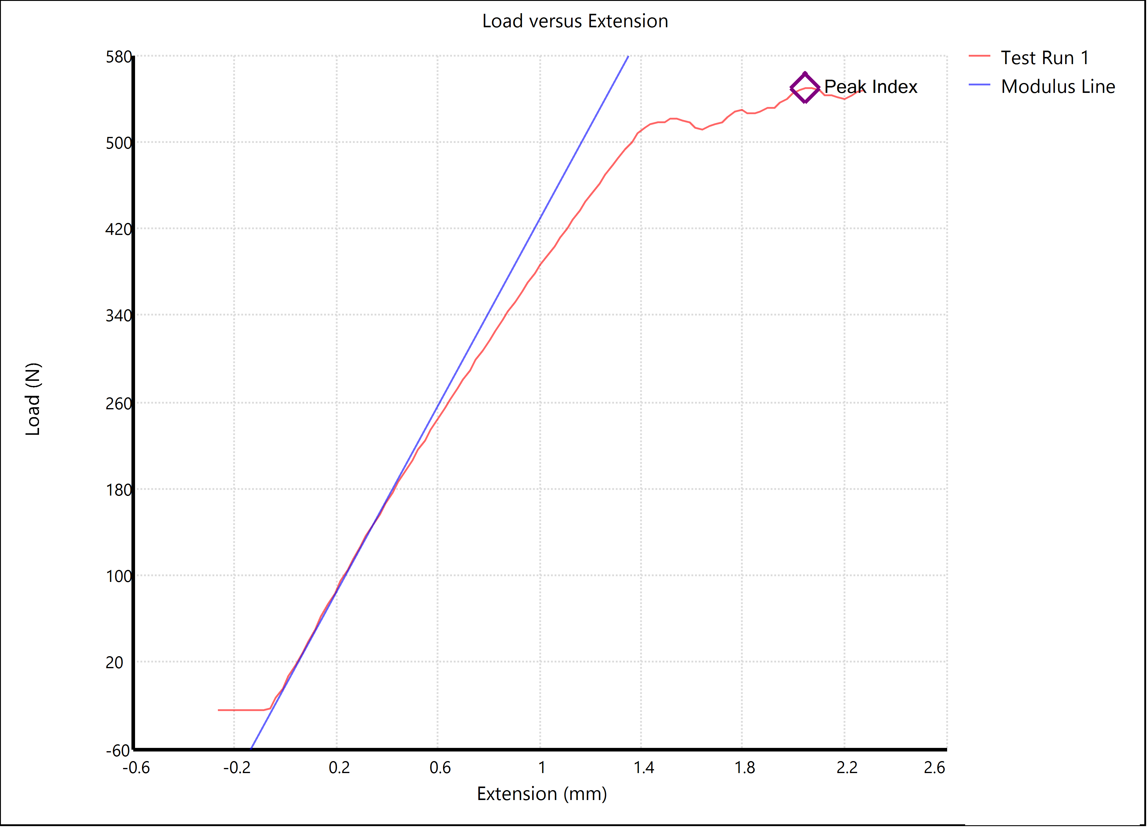

Test Run Results:
Display Name | Value | Unit
Test Run End Reason | Test Stopped
Peak Stress | 1975.5 | lbf/in²
Peak Load | 123.472 | lbf
Width | 0.500 | in
Thickness | 0.125 | in

